Y-3 SS25
PICTURES | Marchio | Cod. Articolo | Tipologia Prodotto | Colore | Taglia | Q.TY | RTL | WHS | TOT WHS | STATUS
 | Y-3 | HY1249 | FITTED SS TEE | Black | 2XS/1 XS/2 S/2 M/1 L/1 | 7 | 120.00 € | 44.00 € | 308.00 €
Y-3 | Y-3 | HY1251 | FITTED LS TEE | Black | 2XS/1 XS/2 S/2 M/1 L/1 | 7 | 140.00 € | 52.00 € | 364.00 €
 | Y-3 | HY1403 | FITTED SS TEE | Black | 2XS/1 XS/2 S/2 M/1 L/1 | 7 | 120.00 € | 44.00 € | 308.00 €
 | Y-3 | JQ9201 | Y-3 GSG9 HI | Black | 5/1 6/1 6-/1 7/1 8/1 8-/1 9/1 9-/1 10/1 10-/1 11/1 | 11 | 445.00 € | 167.00 € | 1,837.00 €
 | Y-3 | JV9720 | Y-3 3S TOTE PAD | Black | NS/3 | 3 | 250.00 € | 93.00 € | 279.00 €
 | Y-3 | JW4626 | GFX COACH JKT | Black | S/1 M/1 L/2 XL/1 2XL/1 | 6 | 395.00 € | 148.00 € | 888.00 €
 | Y-3 | JW6215 | Y-3 STAPL BACKP | Black | NS/5 | 5 | 280.00 € | 104.00 € | 520.00 €
 | Y-3 | JW6219 | Y-3 SHOPPER STA | Black | NS/1 NS/4 | 5 | 280.00 € | 104.00 € | 520.00 €
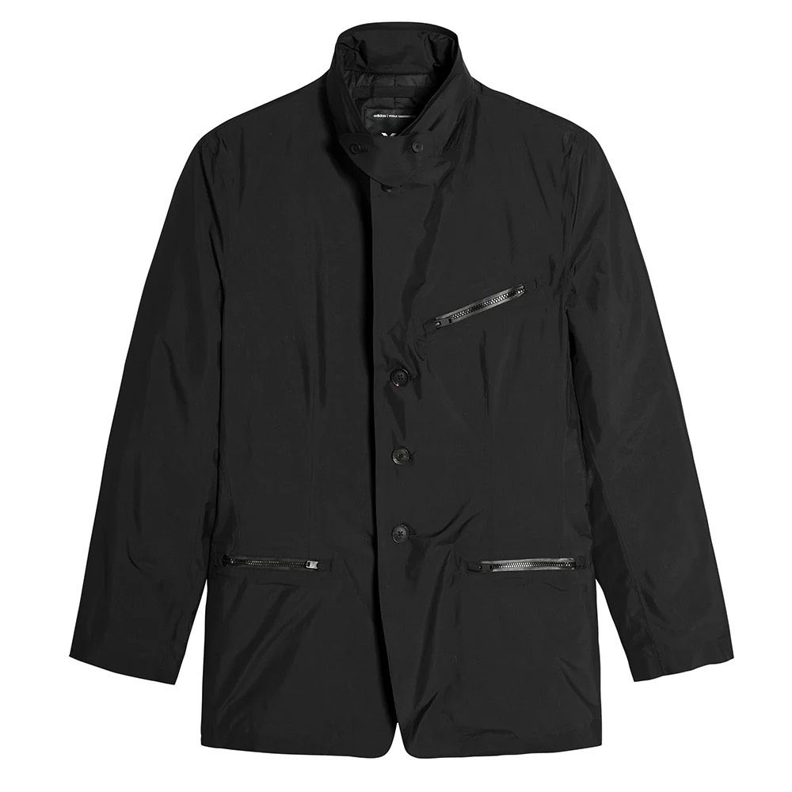 | Y-3 | JX4819 | GTX BLASER | Black | S/1 M/2 L/2 XL/1 XL/1 2XL/1 | 8 | 600.00 € | 222.00 € | 1,776.00 €
 | Y-3 | JX7281 | M PUFF VEST | Black | XS/1 S/1 M/1 M/1 L/1 | 5 | 445.00 € | 167.00 € | 835.00 € | A
 | Y-3 | JX7282 | M PUFF JKT | Black | XS/1 S/1 M/2 L/1 L/1 XL/1 2XL/1 | 8 | 650.00 € | 241.00 € | 1,928.00 €
 | Y-3 | KA2302 | MERCH TOTE | Black | 5 | 5 | 150.00 € | 56.00 € | 280.00 €
 | Y-3 | KA2360 | M PUFF JKT | Red | XS/1 S/2 M/2 L/2 XL/2 2XL/1 | 10 | 650.00 € | 241.00 € | 2,410.00 €
 | Y-3 | KA3107 | FL ZIP HODDIE | Black | S/1 M/2 L/1 L/1 XL/2 2XL/1 | 8 | 280.00 € | 104.00 € | 832.00 €
 | Y-3 | KB0037 | W PADDED COAT | Black | 2XS/1 XS/2 S/2 M/1 | 6 | 495.00 € | 185.00 € | 1,110.00 € | A
 | Y-3 | KB2607 | M MERCH SS TEE | White | S/1 M/2 L/2 XL/2 2XL/1 | 8 | 120.00 € | 44.00 € | 352.00 €
 | Y-3 | KB2608 | M MERCH SS TEE | Black | XS/1 S/2 M/2 L/2 XL/1 2XL/1 | 9 | 120.00 € | 44.00 € | 396.00 €
 | Y-3 | KB4631 | SLIM TEE | White | XS/1 S/2 M/2 L/2 XL/1 2XL/1 | 9 | 100.00 € | 37.00 € | 333.00 €
 | Y-3 | KB4652 | FL HOODIE | multicolor | XS/1 S/1 M/1 | 3 | 220.00 € | 81.00 € | 243.00 € | A
 | Y-3 | KC0805 | X BODY SMALL | Black | NS/3 | 3 | 200.00 € | 74.00 € | 222.00 € | A
 |  |  |  |  |  | 133

